Civil Tags
Vector DB and embedding module
Tags for identifying civil law category
Family | Property | Commercial | Labour | Meta data | Embedding models to be used
Divorce | Property division | Tort | Sanitary facilities | Case or act
Alimony | Property transfer | Defamation | Payrolls | Document identifier | openAI embedding model
Same-sex marriage | Property distribution | Malicious prosecution | Non-payment | Sequence numbers for the chunk | legalBERT
Marriage | Property boundary | Abuse of process | Wages | Court name | sentenceBERT or other suitable embedding model for our system
Muslim marriage | Property ownership | Unfair competition | Termination | any other required tags
Legal separation | Trespass | Trade secret | Minimum wages
Adultery | Eviction | Antitrust violations | Leave entitlements
Polygamy | Encroachments | Intellectual property | Overtime
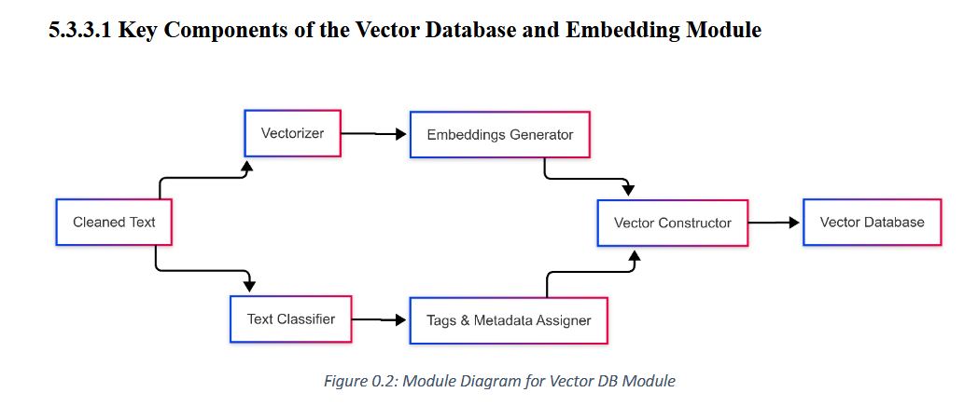
Forced marriage | Foreclosure | Copyright | Wage deductions
Voidable marriage | Rent | Trademark | Wrongful termination
Irreconcilable differences |  | Patent | Leave
Abandonment |  | Duty breach | Overworking
Infidelity |  | Settlements | Resignation
Misconduct |  | Joint venture | Disciplinary action
Domestic violence |  | Tenders | Remuneration
Obligations of care |  | Agency | Severance pay
Paternity dispute |  | Partnership | Employment contract
Visitation rights |  | Employment | Union
Inheritance |  | Loan | Strikes
Will |  | Mortgage | Whistleblowing
Probate litigation |  | Security
Custody |  | Guarantee
Adoption |  | Indemnity
Prenuptial agreement |  | Suretyship
Child support |  | Procurement
Parental rights |  | Arbitration
Family court |  | Mediation
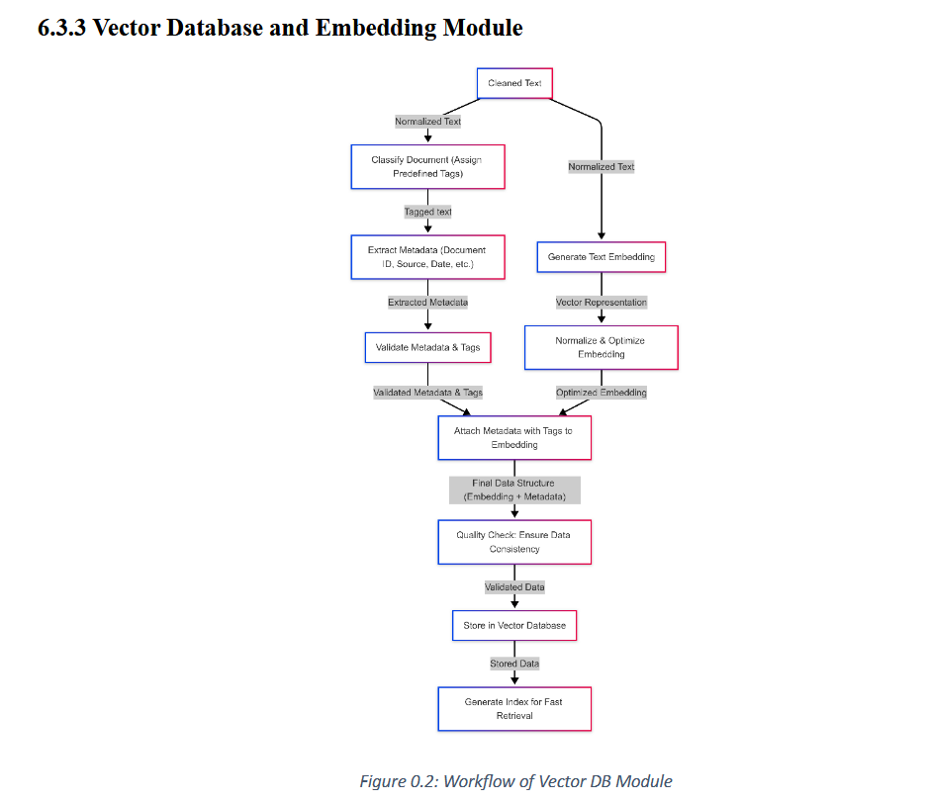
Surrogacy |  | Insurance
Guardianship |  | Class action
Foster care |  | Estoppel
Marital property
Spousal support
Impotency

